Sheet1
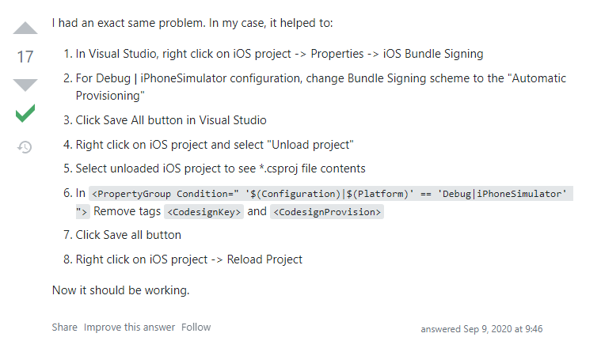
1: không run được iOS simulator trên window visual sau khi connect
link: https://stackoverflow.com/questions/63775200/xamarin-forms-ios-simulator-not-launching

